Description
Template for System Analysis

Authors:

Baseliyos Jacob, Stéphane Besure, Yoann Guyot

Reviewers:

Reviewers of this document

Date and version:

15/11/2013 – v3 – version for review
20/11/2013 - v4 - added SysML diagrams

Input documents:

• Subset 026, 036, 040

Files to complete this analysis

• SysML model

Description

ETCS trainborne equipment can receive ETCS information from Eurobalise, Euroloop or GSM-R depending on ETCS level implemented on a given infrastucture. This function manages the decoding of Eurobalise telegrams, Euroloop messages and Euroradio messages and provide packets and associated variables to the application.
At implementation level, the interactions of the « filter information from ERTMS trackside » function with the other macro functions of ETCS kernel are represented in the Internal Block Diagram shown below.
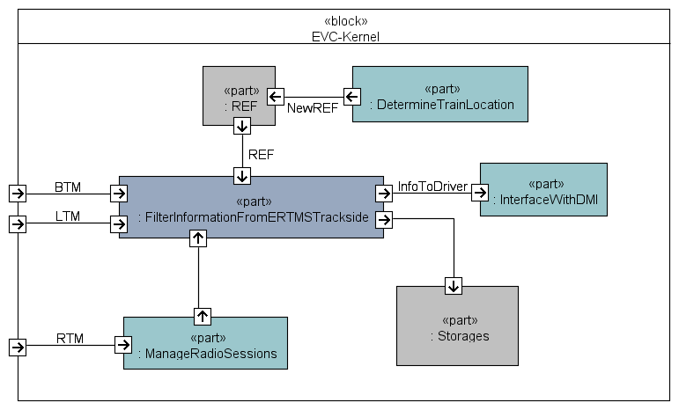

Design choices

Current implementation focuses on ETCS L1 with Eurobalises and ETCS L2 with Euroaradio.
Messages coming from Euroloop or from radio-infill units are not analysed in this document version.

